Sheet1
Darcy weisbach equation formula

 | Sr no | Parameters | value | units |  |  | Darcy weishbach equation | 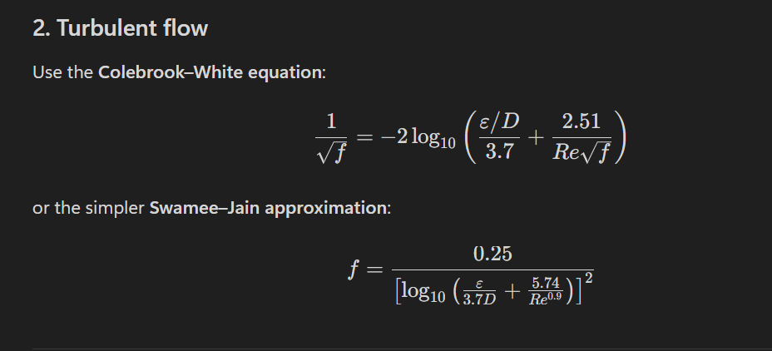 To find the frictional factor
 | 1 | Q (flow) | 0.09475 | m3/sec
 | 2 | L (length) | 1800 | m
 | 3 | V (velocity) | 2.5 | m/sec
 | 4 | Vp(velocity in the pipe) | 1.8236748496 | m/sec
 | 5 | D (diameter) | 0.257 | m
 | 6 | ε ( absolute roughness) DI | 0.000061 | m |  |  | where f=frictional factor l=length (m) d=diameter of pipe (m) ρ=density of fluid (kg/m3) v=velocity (m/sec)
 | 7 | μ (dynamic viscosity) | 0.001002 | pa s
 | 8 | ρ (desnity) | 1000 | kg/m3
 | 9 | f (darcy frictional factor) | 0.016
 | 10 | reynolds number | 468112.9

1 | dia calculation using continiuty equation
 | D^2 | 0.048255778745
 | D | 0.21967197988 | m
 |  |  |  |  |  |  |  | Note : using swamee-jain approximation for calculation
 | considering nearest 0.250m

 | Note : calculating the inside dia of pipe ID=OD-2(t)-2(T) ID-inner dia t- wall thickness OD -outer dia T-linning thickness |  |  | note

 |  |  |  |  |  |  |  | 1 | absolute roughness
2 | ID calculation
 |  |  |  |  |  |  |  | 2 | dynamic viscosity
 | t | 6.8 | mm
 | t linning | 1.6 | mm
 | OD | 274 | mm

 | ID | 257.2 | mm | T=linings thickness (1.6*2) because to cover whole diameter
 | ID | 0.2572 | m
 | a | 0.051955533641 | the velocity in pressure is calculated by Q=A*V
 | Vp | 1.8236748496

3 | using jain approximational formula for (f) |  |  | 4 | solving darcy weishbach equation

 | re | 468112.9 |  |  | P | 185419.248 | pas
 |  |  |  |  | P | 1.9 | bar
 | solving below equation

$\frac{ε}{3.7D}$ + $\frac{5.74}{re^0.9}$

 |  | 0.00010934754862

 | Solving log base 10

 | log10() | -3.9611909486
 |  | 15.691033731

 | f | 0.015932666023

